Manual Machine Learning
 |  |  | h1 | ReLU(h1)
 |  |  | 424 | 424
 |  |  | 606 | 606
 |  |  | 299 | 299
 | Weight: in1→h1 | 5 | 1263 | 1263
 | Weight: in2→h1 | 7 | 456 | 456 | Weight: h1→out | 2
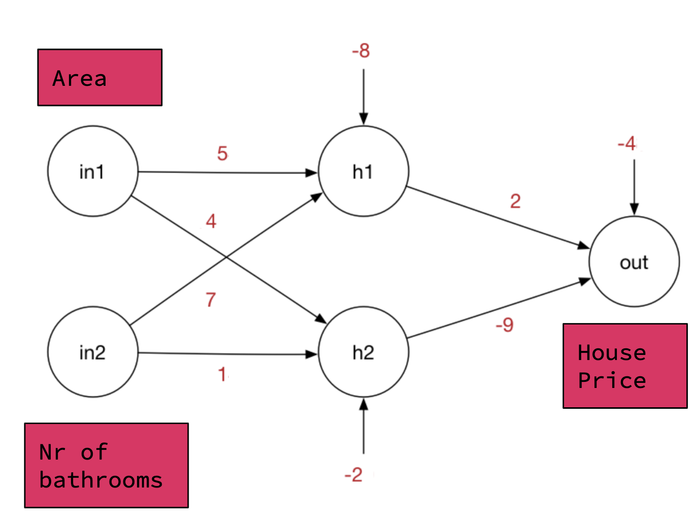
 | Bias: h1 | -8 | 374 | 374 | Bias: out | -4

Area (m2) - in1
85
120
60
250
90 |  |  |  |  |  |  | True House Price | Predicted House Price | Squared Error | Root Mean Squared Error
75 |  |  |  |  |  |  | 200 | -2,207 | 5,793,649 | 3,731
 |  |  |  |  |  |  | 350 | -3,112 | 11,985,444
 |  |  |  |  |  |  | 100 | -1,557 | 2,745,649
 |  |  |  |  |  |  | 750 | -6,487 | 52,374,169
 |  |  |  |  |  |  | 175 | -2,332 | 6,285,049
 |  |  |  |  |  |  | 140 | -1,947 | 4,355,569

Bathrooms (nr) - in2
1 |  |  |  |  |  |  |  |  |  | Baseline RMSE | Improvement
2 |  |  |  |  |  |  |  |  |  | 3,731 | 0.0%
1
3
2
1
 |  |  | h2 | ReLU(h2)
 | Weight: in1→h2 | 4 | 339 | 339 | Weight: h2→out | -9
 | Weight: in2→h2 | 1 | 480 | 480
 | Bias: h2 | -2 | 239 | 239
 |  |  | 1001 | 1001
 |  |  | 360 | 360
 |  |  | 299 | 299

